Clamped cylinder
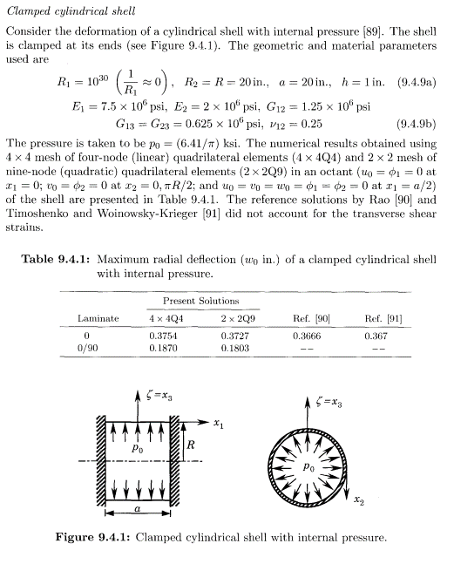
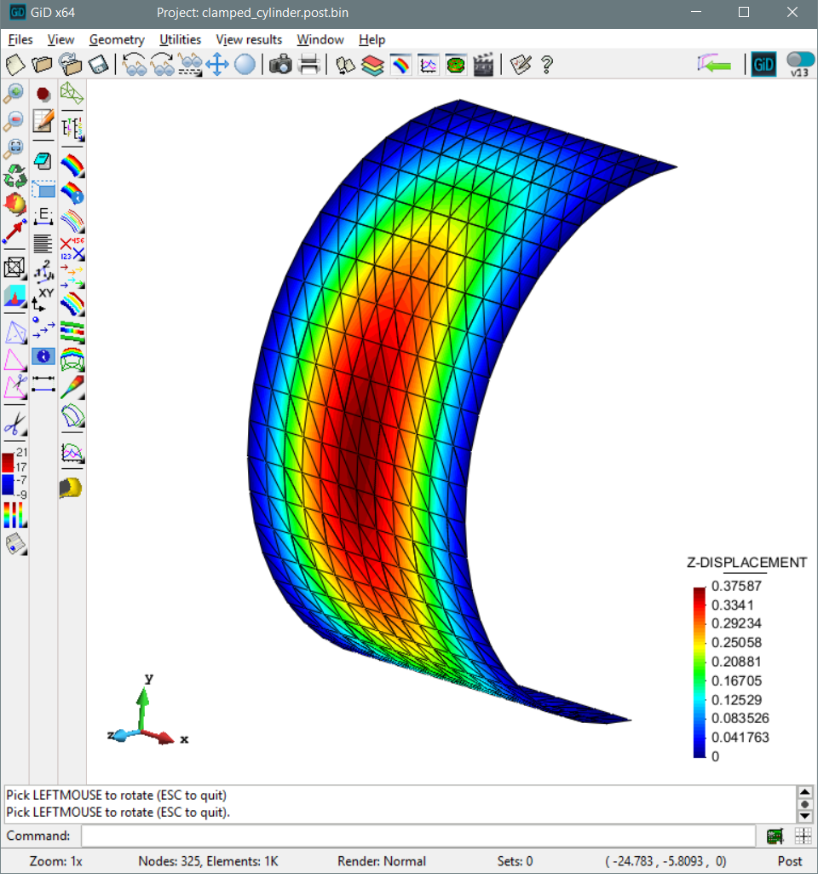

Clamped cylinder benchmark

Laminate | Thin quad | Thick tri | TextbookQ4 |  | TextbookQ9
[0] Laminate | 0.37162 | 0.37587 | 0.3754 |  | 0.3727
[0/90] Laminate | 0.18283 | 0.17811 | 0.187 |  | 0.1803

[0] Laminate
Axial divisions | Circumferential divisions | Thin quad | Thick tri | TextbookQ4 | TextbookQ9
4 | 12 | 0.37102101442 | 0.35746895835 | 0.3754 | 0.3727
8 | 24 | 0.37077967473 | 0.37599232852 | 0.3754 | 0.3727
12 | 36 | 0.37162401125 | 0.37865702544 | 0.3754 | 0.3727
24 | 72 | 0.37197441586 | 0.38010925965 | 0.3754 | 0.3727

[0/90] Laminate
Axial divisions | Circumferential divisions | Thin quad | Thick tri | TextbookQ4 | TextbookQ9
4 | 12 | 0.18346413182 | 0.17137863156 | 0.187 | 0.1803
8 | 24 | 0.1827345096 | 0.17829036372 | 0.187 | 0.1803
12 | 36 | 0.18292946519 | 0.1797872545 | 0.187 | 0.1803
24 | 72 | 0.1830056419 | 0.18073423933 | 0.187 | 0.1803

